Q2 Time constrained schedule
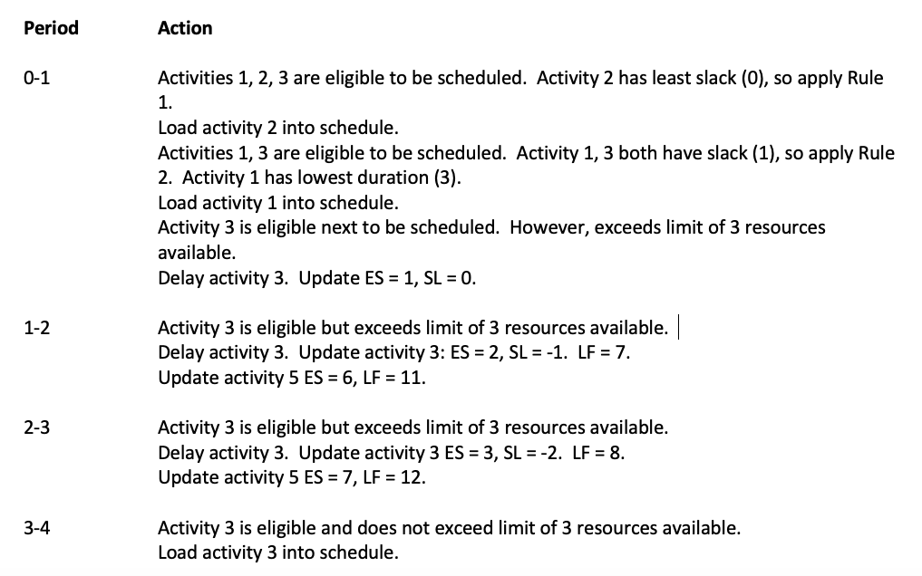
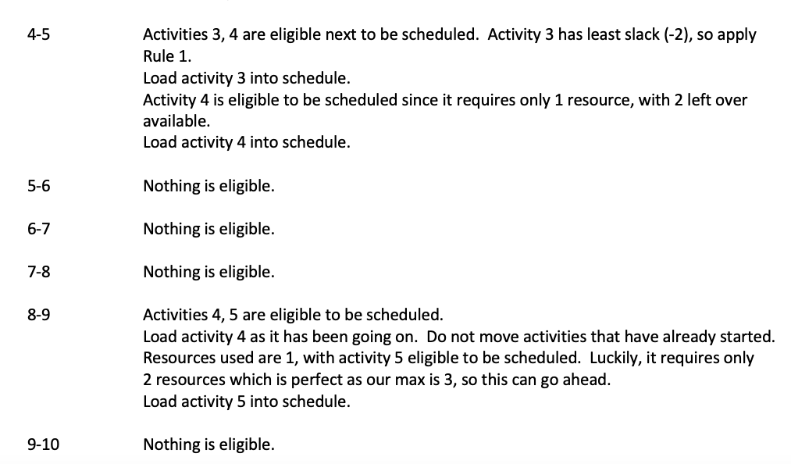
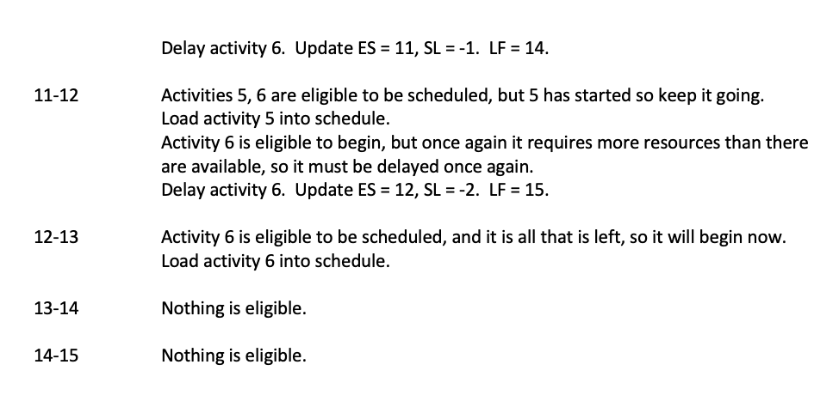
 |  | Scheduled Resource Load Chart with ES and Slack updates

ID | RES | DUR | ES | LF | SL | 0 | 1 | 2 | 3 | 4 | 5 | 6 | 7 | 8 | 9 | 10 | 11 | 12 | 13 | 14 | 15
1 | 2 | 3 | 0 | 4 | 1 | 2 | 2 | 2
2 | 1 | 4 | 0 | 4 | 0 | 1 | 1 | 1 | 1
3 | 1 | 5 | 3 | 8 | -2 | X | X | X | 1 | 1 | 1 | 1 | 1
4 | 1 | 6 | 4 | 10 | 0 |  |  |  |  | 1 | 1 | 1 | 1 | 1 | 1
5 | 2 | 4 | 8 | 12 | -2 |  |  |  |  |  | X | X | X | 2 | 2 | 2 | 2
6 | 2 | 3 | 12 | 15 | -2 |  |  |  |  |  |  |  |  |  |  | X | X | 2 | 2 | 2
Resources Scheduled |  |  |  |  |  | 3 | 3 | 3 | 2 | 2 | 2 | 2 | 2 | 3 | 3 | 2 | 2 | 2 | 2 | 2
Resources Available |  |  |  |  |  | 3 | 3 | 3 | 3 | 3 | 3 | 3 | 3 | 3 | 3 | 3 | 3 | 3 | 3 | 3

 | LOG:
 |  |  |  |  |  | Activity Schedule: 2, 1, 3, 4, 5, 6.

